Overarm Cricket
 | NSportz - Corporate Over Arm Tennis Cricket Tournament 28th & 29th Oct 2017 Arya Bhaskar Ground Goregaon East
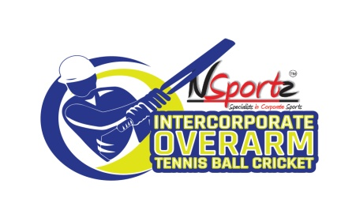

1 | Name of Corporate
2 | Name of Authorised Representative
3 | Designation
4 | E Mail Id
5 | Mobile Number
6 | Participation Fee |  | After sending this entry form to NSportz, if a team withdraws from the tournament due to any reason, the fee is still payable to NSportz
7 | Confirmation of Authorised Representative |  |  | Yes
 | (Confirmation means you have read and agree to the terms & conditions in this document as well as the attached document of rules & terms and conditions)
8 | NSportz has the discretion not to conduct the tournament in case the minimum number of teams (12 teams) are not registered. Refer terms & conditions document
9 | Total Number of teams | 1

10 | Total Amount Payable | Rs | 20000 | plus taxes as applicable
11 | Team & Players Information - Please insert more rows for additional teams as required

Team # | Team Name | Sr No | Player Names | Players Contact Number | Players Email ID

1 | XXXX | 1
 |  | 2
 |  | 3
 |  | 4
 |  | 5
 |  | 6
 |  | 7
 |  | 8
 |  | 9
 |  | 10
 |  | 11
 |  | 12

